Sheet1
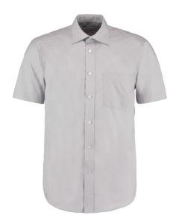
#NAME? |  |  |  |  |  |  |  |  |  |  |  |  |  | wholesale | £7.95
Colour |  | 14.5 | 15 | 15.5 | 16 | 16.5 | 17 | 17.5 | 18 | 18.5 | 19 | 19.5 | 20 | 21 |  | Total |  | Size 20/21 £9.95

Sliver Grey |  | 122 | 141 | 150 | 24 | 211 | 141 | 247 | 36 | 129 | 94 | 92 | 82 | 57 |  | 1526 |  |  | 1526

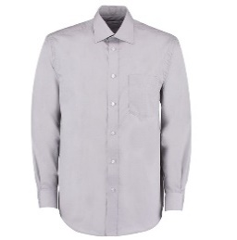
- Business Shirt Long Sleeve |  |  |  |  |  |  |  |  |  |  |  |  |  | wholesale | £8.45
Colour |  | 14.5 | 15 | 15.5 | 16 | 16.5 | 17 | 17.5 | 18 | 18.5 | 19 | 19.5 | 20 | 21 |  | Total |  | Size 20/21 £10.25

Silver Grey |  | 335 | 108 | 145 | 97 | 271 | 117 | 143 | 89 | 124 | 77 | 55 | 37 | 46 |  | 1644 |  |  | 1644

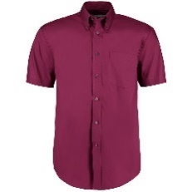
- Premium Oxford Shirt Short Sleeve |  |  |  |  |  |  |  |  |  |  |  |  |  | wholesale | £9.95
Colour |  | 14.5 | 15 | 15.5 | 16 | 16.5 | 17 | 17.5 | 18 | 18.5 | 19 | 19.5 | 20 | 21 | 22 | 23 | Total | Size 21/23 £11.45

Burgundy |  | 119 | 153 | 116 | 100 | 101 | 45 | 106 | 69 | 93 | 62 | 81 | 37 | 55 | 50 | 56 | 1243 |  | 1243

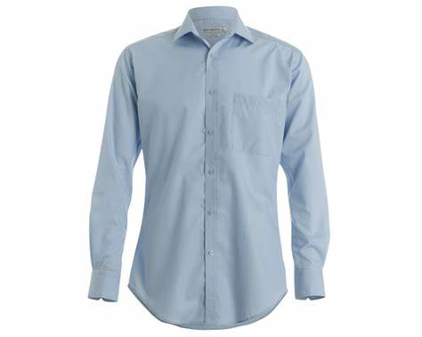
- Slim Fit Non Iron Long Sleeve Shirt |  |  |  |  |  |  |  |  |  |  | £13.95 | wholesale
Colour |  | 14 | 14.5 | 15 | 15.5 | 16 | 16.5 | 17 | 17.5 | 18 |  | Total

Light Blue |  | 47 | 90 | 18 | 5 | 27 | 47 | 110 | 87 | 12 |  | 443
White |  | 96 |  |  |  |  |  |  |  |  |  | 96

Total |  | 143 | 90 | 18 | 5 | 27 | 47 | 110 | 87 | 12 |  | 539 |  |  |  |  |  |  | 539
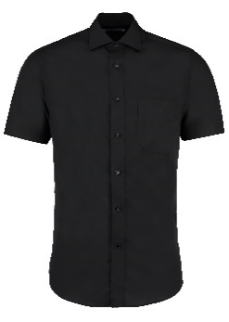
- Premium Non Iron Short Sleeve Shirt |  |  |  |  |  |  |  | £12.95 | wholesale
Colour |  | 14.5 | 15 | 15.5 | 16 | 16.5 | 17 |  | Total

Black |  | 86 | 76 | 19 | 145 | 8 |  |  | 334 |  |  |  |  |  |  |  |  |  | 334

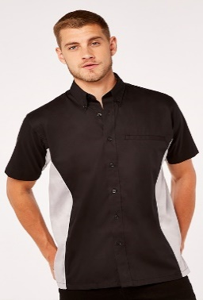
- GG Sportsman Shirt Short Sleeve Classic Fit |  |  |  |  |  |  |  | £10.95
Colour |  | Small | Medium | Large | X-Large | 2X-Large | 3X-Large |  | Total

Black/Lime |  | 95 | 2 | 92 | 53 |  |  |  | 242
Black/Royal |  | 143 | 270 | 144 | 163 | 90 | 153 |  | 963

Total |  | 238 | 272 | 236 | 216 | 90 | 153 |  | 1205 |  |  |  |  |  |  |  |  |  | 1205

- Contrast Oxford Long Sleeve Button Down Tailored
Colour |  | Small
 |  |  |  |  |  |  |  |  |  |  |  |  |  |  |  |  |  |  | 41
Navy/Lt. Blue |  | 41
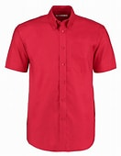

#NAME? |  |  |  |  |  |  |  |  |  |  |  |  |  |  | £8.80 |  |  | Size 21/23 £10.60
Colour |  | 14.5 | 15 | 15.5 | 16 | 16.5 | 17 | 17.5 | 18 | 18.5 | 19 | 19.5 | 20 | 21 | 22 | 23 | Total

Red |  | 83 | 71 | 31 | 146 | 364 | 329 | 130 | 78 | 46 | 93 | 83 | 34 | 15 | 16 | 25 | 1544 |  | 1544

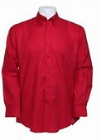
- Workwear Long Sleeve Oxford Shirt Classic Fit |  |  |  |  |  |  |  |  |  |  |  |  |  | £9.65 |  |  |  | Size 21/23 £11.45
Colour |  | 14.5 | 15 | 15.5 | 16 | 16.5 | 17 | 17.5 | 18 | 18.5 | 19 | 19.5 | 20 | 22 | 23 | Total

Red |  | 257 | 4 | 42 | 10 | 1 | 35 | 25 | 86 | 25 | 60 | 95 | 28 | 8 | 6 | 682 |  |  | 682

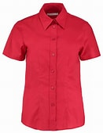
 |  |  |  | SHIRTS TOTAL |  |  |  | 8758

- Workwear Oxford Short Sleeve Shirt |  |  |  |  |  |  |  |  |  |  |  | £8.40
Colour | 8 | 10 | 12 | 14 | 16 | 18 | 20 | 22 | 24 | 26 | 28 |  | Total

Red | 29 | 78 | 61 | 48 | 54 | 34 | 67 | 13 | 46 | 16 | 21 |  | 467 |  |  |  |  |  | 467

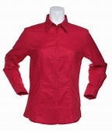
- Workwear Oxford Long Sleeve Shirt |  |  |  |  |  |  |  |  |  |  | £8.60
Colour | 8 | 10 | 12 | 14 | 18 | 20 | 22 | 24 | 26 | 28 |  | Total

Red | 19 | 13 | 12 | 21 | 20 | 62 | 6 | 52 | 11 | 27 |  | 243 |  |  |  |  |  |  | 243

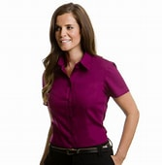
- Women's Short Sleeve Premium Pocket Oxford Shirt |  |  |  |  |  |  |  |  | £9.05
Colour |  | 8 | 10 | 12 | 14 | 16 | 18 | 20 |  | Total

Black |  | 100 | 27 | 82 | 108 | 64 | 33 | 101 |  | 515
Burgundy |  | 62 | 105 | 80 | 120 | 67 | 47 | 60 |  | 541

Total |  | 162 | 132 | 162 | 228 | 131 | 80 | 161 |  | 1056 |  |  |  |  |  |  |  |  | 1056

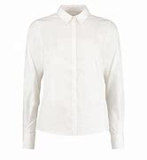
Contemporary Business Shirt |  |  |  |  |  |  |  | £8.10
Colour | 8 | 10 | 12 | 14 | 16 | 18 | 20 |  | Total

Light Blue | 126 | 170 | 178 | 70 | 114 | 144 | 144 |  | 946
White | 19 | 46 | 50 | 51 | 96 | 136 | 137 |  | 535

Total | 145 | 216 | 228 | 121 | 210 | 280 | 281 |  | 1481 |  |  |  |  |  |  |  |  |  | 1481


Contrast Oxford Long Sleeve Shirt |  |  |  |  |  |  |  | £10.65
Colour |  | 8 | 10 | 12 | 14 | 16 | 18 |  | Total

White/Mid Blue |  | 99 | 208 | 255 | 71 | 93 | 81 |  | 807
White/Navy |  | 88 | 97 | 151 | 120 | 111 | 41 |  | 608

Total |  | 187 | 305 | 406 | 191 | 204 | 122 |  | 1415 |  |  |  |  |  |  |  |  |  | 1415

 |  |  |  | WOMEN'S SHIRTS |  |  |  | 4662

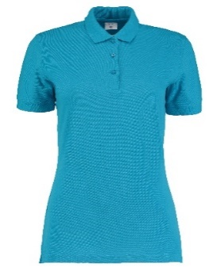
Women's Slim Fit Polo Shirt |  |  |  |  |  |  |  | £5.95
Colour |  | 6 | 8 | 10 | 12 | 14 | 16 |  | Total

Raspberry |  | 198 | 289 | 253 | 190 | 5 | 64 |  | 999
Turquoise |  | 152 | 121 | 142 | 167 | 91 | 155 |  | 828

Total |  | 350 | 410 | 395 | 357 | 96 | 219 |  | 1827 |  |  |  |  |  |  |  |  |  | 1827

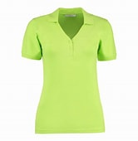
Sophia V Neck Polo Shirt |  |  |  |  |  |  |  | £7.20
Colour |  | 8 | 10 | 12 | 14 | 16 | 18 |  | Total

Lime |  | 117 | 35 | 158 | 39 | 171 | 122 |  | 642
Turquoise |  | 147 | 5 | 244 |  | 18 | 188 |  | 602

Total |  | 264 | 40 | 402 | 39 | 189 | 310 |  | 1244 |  |  |  |  |  |  |  |  |  | 1244

 |  |  |  | WOMEN'S POLO SHIRT |  |  |  | 3071
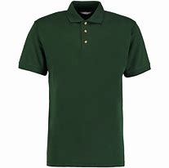
#NAME? |  |  |  |  |  | £5.95
Colour |  | X-Small | Small | 2X-Large | 3X-Large |  | Total

Bottle Green |  | 256 | 79 | 132 | 47 |  | 514 |  |  |  |  |  |  |  |  |  |  |  | 514

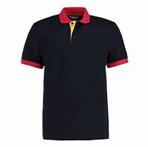
- Contrast Polo Shirt |  |  |  | £6.85
Colour |  | Small | Large |  | Total

Navy/Yellow/Red |  | 21 |  |  | 21
White/Red/Navy |  | 5 |  |  | 5

Total |  | 26 | 0 |  | 26 |  |  |  |  |  |  |  |  |  |  |  |  |  | 26

- Chunky Polo Shirt |  |  |  |  | £6.45
Colour |  | Small

H. Grey |  | 252 |  |  |  |  |  |  |  |  |  |  |  |  |  |  |  |  | 252

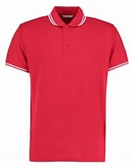
- Tipped Polo Shirt |  |  |  |  |  | £6.95
Colour |  | Small | Medium | X-Large | 2X-Large | 3X-Large |  | Total

Red/White |  | 80 | 27 | 200 | 128 | 117 |  | 552 |  |  |  |  |  |  |  |  |  |  | 552

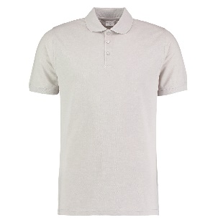
- Men's Slim Fit Polo Shirt |  |  |  |  |  |  |  |  |  | £5.95
Colour |  | XX-Small | X-Small | Small | Medium | Large | X-Large | XX-Large |  | Total

Light Grey |  | 191 | 170 | 28 |  |  |  | 59 |  | 448
Red |  | 249 | 199 | 115 | 71 | 129 | 105 | 79 |  | 947

Total |  | 440 | 369 | 143 | 71 | 129 | 105 | 138 |  | 1395 |  |  |  |  |  |  |  |  | 1395
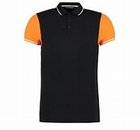
- Contrast Tipped Polo Shirt |  |  |  |  | £6.45
Colour |  | Small | X-Large |  | Total

Black/Orange/White |  | 123 | 4 |  | 127 |  |  |  |  |  |  |  |  |  |  |  |  |  | 127

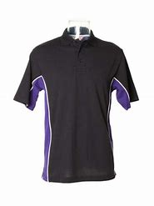
- GG Track Polo Shirt |  |  |  |  |  |  |  | £7.95
Colour |  | Small | Medium | Large | X-Large | 2X-Large | 3X-Large |  | Total

Red/Navy |  | 97 | 190 | 279 | 224 | 74 | 8 |  | 872
Black/Purple |  | 23 |  | 10 | 16 |  |  |  | 49

Total |  | 120 | 190 | 289 | 240 | 74 | 8 |  | 921 |  |  |  |  |  |  |  |  |  | 921

GG Riviera Polo Shirt
Colour |  | X-Large

Navy/Light Blue |  |  |  |  |  |  |  |  |  |  |  |  |  |  |  |  |  |  | 0

 |  |  |  | POLO SHIRT |  |  |  | 3787

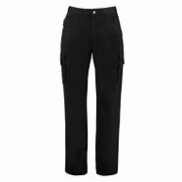
- Men's Teflon Coated Workwear Trouser |  |  |  |  |  |  |  |  |  |  | £16.95
Colour | Length | 28 | 30 | 32 | 34 | 36 | 38 | 40 | 44 | 46 |  | Total

Navy | Short |  |  |  |  | 3 | 12 | 48 |  | 13 |  | 76
Navy | Regular |  | 30 | 1 |  |  |  |  |  |  |  | 31
Navy | Long | 23 | 52 | 42 | 32 |  | 8 | 10 | 12 | 4 |  | 183

Total |  | 23 | 82 | 43 | 32 | 3 | 20 | 58 | 12 | 17 |  | 290 |  |  |  |  |  |  | 290

 |  |  |  | TROUSERS |  |  |  | 290

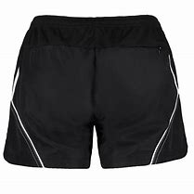
- Cooltex Active Shorts |  |  |  |  |  |  | £5.95
Colour |  | 8 | 10 | 12 | 14 | 16 |  | Total

Black/White |  | 8 | 64 | 168 |  | 66 |  | 306
Navy/White |  | 44 | 131 | 122 | 172 | 93 |  | 562

Total |  | 52 | 195 | 290 | 172 | 159 |  | 868 |  |  |  |  |  |  |  |  |  |  | 868

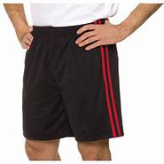
Cooltex Piped Shorts |  |  |  |  |  | £8.05
Colour |  | Small | Large | X-Large | 2X-Large |  | Total

Black |  | 39 |  |  |  |  | 39
Black/Red |  | 53 | 15 | 37 | 91 |  | 196
Navy/L. Blue |  | 175 | 100 | 18 |  |  | 293
Navy |  |  |  | 192 | 170 |  | 362

 |  | 267 | 115 | 247 | 261 |  | 890 |  |  |  |  |  |  |  |  |  |  |  | 890

 |  |  |  | SHORTS |  |  |  | 1758

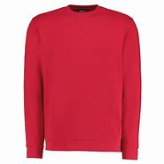
- Klassic Sweatshirt 60 Superwash |  |  |  |  |  | £6.50
Colour |  | X-Small | Small | 2X-Large | 3X-Large |  | Total

Red |  | 53 | 39 |  | 35 |  | 127
Royal |  | 44 | 14 | 1 |  |  | 59

Tota |  | 97 | 53 | 1 | 35 |  | 186 |  |  |  |  |  |  |  |  |  |  |  | 186

 |  |  |  | SWEATSHIRT |  |  |  | 186

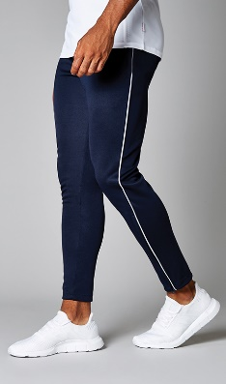
GG Piped Slim Fit Trackpants
Colour |  | X-Small | Small | Medium | Large | X-Large | 2X-Large |  | Total

Black/White |  | 124 |  | 168 | 97 |  |  |  | 389
Navy/White |  | 74 | 45 | 2 | 119 | 87 | 132 |  | 459

Total |  | 198 | 45 | 170 | 216 | 87 | 132 |  | 848 |  |  |  |  |  |  |  |  |  | 848

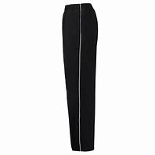
GG Kids Track Pants |  |  |  | £9.95
Colour |  | 7/8 | 9/10 |  | Total

Black |  | 20 | 8 |  | 28
Navy |  | 178 | 50 |  | 228

Total |  | 370 | 370 |  | 256 |  |  |  |  |  |  |  |  |  |  |  |  |  | 256

 |  |  |  | TRACK PANTS |  |  |  | 1104

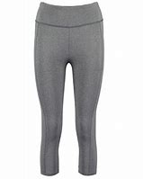
- GG 3/4 Length Leggings |  |  |  |  |  |  |  | £7.95
Colour |  | 6 | 8 | 10 | 12 | 14 | 16 |  | Total

Black |  | 155 | 173 | 373 | 231 | 57 | 15 |  | 1004
Grey Melange |  | 253 |  | 313 | 241 | 200 | 127 |  | 1134

Total |  | 408 | 173 | 686 | 472 | 257 | 142 |  | 2138 |  |  |  |  |  |  |  |  |  | 2138

 |  |  |  | LEGGINGS |  |  |  | 2138

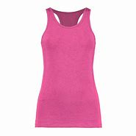
GG Racer Back Vest |  |  |  |  |  |  | £4.25
Colour |  | 8 | 10 | 12 | 14 | 16 |  | Total

Black/ Flo Coral |  | 304 | 298 | 223 | 146 | 129 |  | 1100
Grey/Black |  | 253 | 220 | 220 | 185 | 133 |  | 1011
Hot Pink |  | 370 | 409 | 319 | 289 | 181 |  | 1568

Total |  | 927 | 927 | 762 | 620 | 443 |  | 3679 |  |  |  |  |  |  |  |  |  |  | 3679

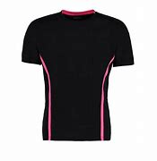
Cooltex Action T/Shirt |  |  |  |  |  |  |  | £6.50
Colour |  | X-Small | Small | Medium | Large | X-Large | 2X-Large |  | Total

Black/Flo Pink |  | 106 | 58 | 238 | 161 | 106 | 60 |  | 729
Flo Orange/Grey |  | 117 | 97 | 184 | 134 | 34 | 22 |  | 588

Total |  | 223 | 155 | 422 | 295 | 140 | 82 |  | 1317 |  |  |  |  |  |  |  |  |  | 1317

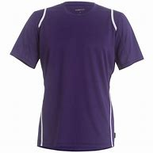
GG Cooltex Short Sleeve T/Shirt |  |  |  |  |  |  |  |  | £6.25
Colour |  | X-Small | Small | Medium | Large | X-Large | 2X-Large | 3X-Large |  | Total

Purple/White |  | 12 |  | 4 | 264 | 220 | 105 | 120 |  | 725
White/E. Blue |  | 32 | 14 | 33 | 70 |  |  | 80 |  | 229

Total |  | 44 | 14 | 37 | 334 | 220 | 105 | 200 |  | 954 |  |  |  |  |  |  |  |  | 954

 |  |  |  | T/SHIRTS & VESTS |  |  |  | 5950

 |  |  |  | TOTAL PIECES |  |  |  | 31704

